Sheet1
 | 额定容量KVA | 额定电压kV | 接线方式 |  | 相数 | 调压范围 | 最小负范围 | 调压级数 | 调压精度(调压百分比) | 工频耐压 | 雷电冲击
 | Rated Capacity | Rated Voltage | Configuration of Tap Winding | TAP Location | Phase No. | Regulating range | Minimum Negative Range | No. of Steps | Regulating precision | PF(OLTC) | BIL(OLTC)
77 | 25000 | 115 | Y |  | III | 32.04% | -16.02% | 18 | 0.017800 | 230 | 550
例： | （PN）50MVA | 110kV | Y/D/I |  | I/II/III | ±10% | -10% | ±8 | 1.25%
例： | 50000 | 110 | Y |  |  | 10% | -10% | 8 | 0.0125 | 230 | 550
例： | 80000 | 24 | D |  |  | +5%-15% | -15% | 15/13 | 0.0125

 |  |  |  |  |  |  | Basic Connection of Tap Winding
 | I/D/Y | I | III - D | III - Y | III-HWDK |  | W
 | Max through current Imax[A] | 258.86 | 86.29 | 149.46 | 258.86
 | Rated current In[A] | 217.39 | 72.46 | 125.51 | 217.39
 | voltage level U | 33kV | 66kV | 110kV | 138kV | 150kV | 220kV
 | Highest voltage for equipment Um | 40.5 | 72.5 | 126 | 145 | 170 | 252
 | tap selector (Generally) | / | ≤115kV ~ B | 150~220kV ~ C ？ |  | >220kV ~ D？ | >330kV ~ DE？
 | Rated step voltage Ust[V] | 2047.00 | 2047.00 | 1181.87
 | Rated Capacity | 445.00 | 148.33 | 148.34
 | switching capacity kVA | 529.89 | 176.63 | 176.64

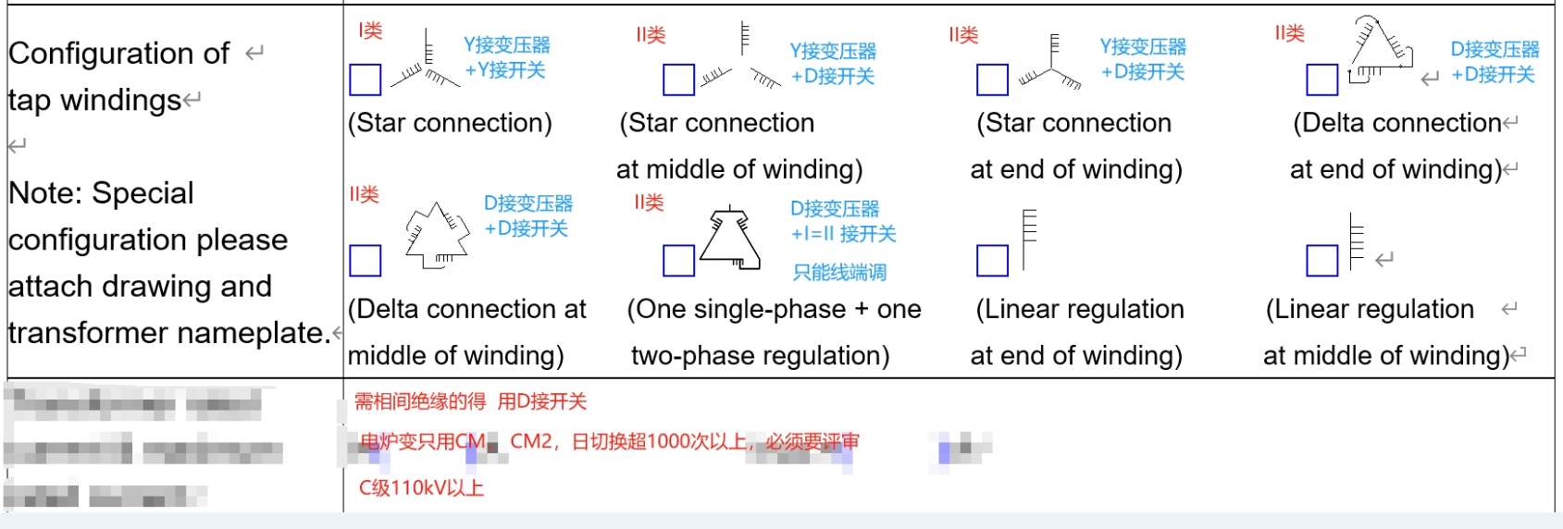
 |  |  |  |  |  |  |  |  |  |  |  |  |  | insulation data
 |  |  |  |  |  |  |  |  |  |  |  |  |  | 设备最高电压Um | PF（50Hz，1min） | BIL（全波1.2/50μs） |  |  | 无分接选择器 |  |  |  | 带分接选择器
 |  |  |  |  |  |  |  |  |  |  |  |  |  | 40.5 | 85 | 225 | 2.1 | 5.6 | CV |  | SV | CV2
 |  |  |  |  |  |  |  |  |  |  |  | 110kVbelow | B | 72.5 | 140 | 350 | 1.9 | 4.8 | CV |  | SV | CV2 | CM | CM2 | CMD | SHZV | SHZVG | SDZV
 |  |  |  |  |  |  |  |  |  |  |  | 110kV~220kV | C | 126 | 230 | 550 | 1.8 | 4.4 |  |  |  | CV2 | CM | CM2 | CMD | SHZV | SHZVG | SDZV
 |  |  |  |  |  |  |  |  |  |  |  |  |  | 145 | 275 | 650 | 1.9 | 4.5 |  |  |  | CV2
 |  |  |  |  |  |  |  |  |  |  |  | 220Kv above | D | 170 | 325 | 750 | 1.9 | 4.4 |  |  |  |  | CM | CM2 | CMD | SHZV | SHZVG | SDZV
 |  |  |  |  |  |  |  |  |  |  |  |  | DE | 252 | 460 | 1050 | 1.8 | 4.2 |  |  |  |  | CM | CM2 | CMD | SHZV | SHZVG | SDZV
 |  |  |  |  |  |  |  |  |  |  |  |  | DE | 300 | 480 | 1100 | 1.6 | 3.7 |  |  |  |  |  |  |  | SHZV | SHZVG
 |  |  |  |  |  |  |  |  |  |  |  |  | E | 363 | 510 | 1175 |  |  |  |  |  |  |  |  |  | SHZV | SHZVG

 |  |  |  |  |  |  |  |  |  |  |  |  | Dry | 12 | 35 | 85 | 2.9 | 7.1 | CVT
 |  |  |  |  |  |  |  |  |  |  |  |  | Dry | 72.5 | 145 | 350 | 2.0 | 4.8 | 3XCZI

 |  |  |  |  |  |  |  |  |  |  |  |  |  | 17.5 | 45 | 105 | 2.6 | 6.0 | HWV
 |  |  |  |  |  |  |  |  |  |  |  |  |  | 35.0 | 95 | 250 |  |  |  | HWDK |  |  | HWDK
 |  |  |  |  |  |  |  |  |  |  |  |  |  | 40.5 | 90 | 250 | 2.2 | 6.2 | HWV
 |  |  |  |  |  |  |  |  |  |  |  |  |  | 69.0 | 140 | 400 |  |  |  | HWDK |  |  | HWDK
 |  |  |  |  |  |  |  |  |  |  |  |  |  | 72.5 | 140 | 350 | 1.9 | 4.8 | HWV

 |  |  |  |  |  |  |  |  |  |  |  |  |  | 12 | 35 | 75 | 2.9 | 6.3 | W□G |  | W□L
 |  |  |  |  |  |  |  |  |  |  |  |  |  | 40.5 | 85 | 200 | 2.1 | 4.9 | W□G
 |  |  |  |  |  |  |  |  |  |  |  |  |  | 72.5 | 140 | 325/350 | 1.9 | #VALUE! | W□G |  | W□L
 |  |  |  |  |  |  |  |  |  |  |  |  |  | 126 | 230 | 550 | 1.8 | 4.4 | W□G |  | W□L
 |  |  |  |  |  |  |  |  |  |  |  |  |  | 170 | 325 | 750 | 1.9 | 4.4 |  |  | W□L

 |  |  |  |  |  |  |  |  |  |  |  |  |  | 252.0 | 460 | 1050 | 1.8 | 4.2 | W□G |  | W□L

